Sheet1
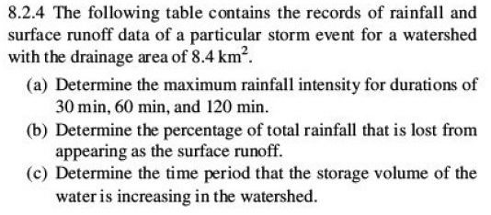

Time | Cum. Rain | Instantaneous Runoff (m^3/s) | Inc Vol (m3) | Inc Depth (mm)
4:00:00 | 0 | 0
4:30:00 | 30 | 0.3
5:00:00 | 80 | 4.2
5:30:00 | 90 | 11.3
6:00:00 | 95 | 13
6:30:00 | 127 | 34
7:00:00 | 130 | 45.3
7:30:00 | 132 | 21.2
8:00:00 |  | 9.3
8:30:00 |  | 4.8
9:00:00 |  | 2.5
9:30:00 |  | 1.4
10:00:00 |  | 0.8
10:30:00 |  | 0

 |  |  |  | 0.00

